Monday Meeting
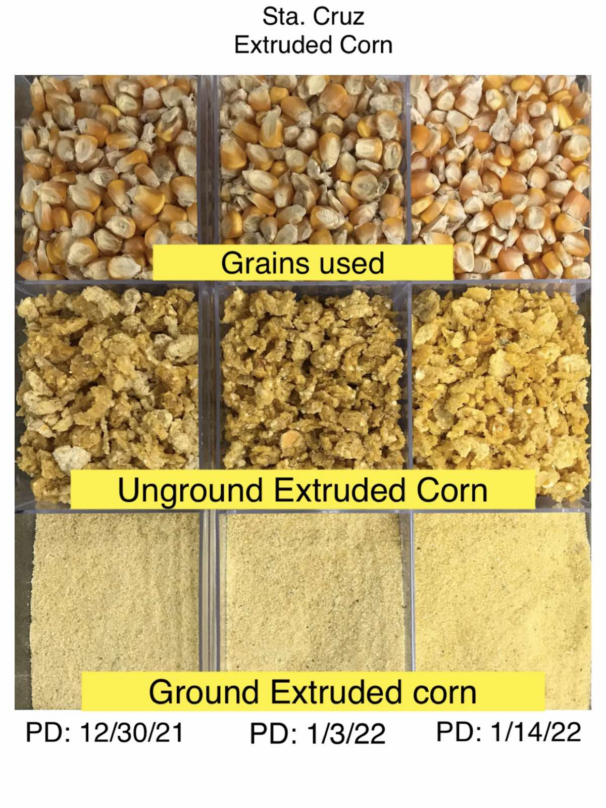
 | 2022 Weekly Manufacturing Meeting
 | BMEG Sta. Cruz Feed Mill |  |  |  |  |  |  |  |  |  |  |  |  |  |  |  |  |  |  |  |  |  |  |  |  |  |  | Extruded Corn Color Assessment
 | As of | January 24
 | Prdn Week | January 17-23 |  |  |  |  |  |  |  |  |  |  |  |  |  |  |  |  |  |  |  |  |  |  |  |  |  | Factors affecting Color of extruded output:
 |  |  |  |  |  |  |  |  |  |  |  |  |  |  |  |  |  |  |  |  |  |  |  |  |  |  |  | 1. Corn quality - the higher the TDG the darker the output as seen in A and B
A. Production |  |  |  | B. Delays |  |  |  |  |  |  |  | C. Consumables Monitoring |  |  |  |  |  |  | D. RM update - awaiting for delivery |  |  | E. Project and Permits |  |  | F. Others |  |  | 2. Production setting - improper cooling may probably affect the color of the output
Operating days | 7.0 | days |  | Operating Hrs | 168.0 | hrs |  |  |  |  |  | Consumables | PPR 1&2 |  | PPR 3 |  | PPR 4&5 |  | Warehouse Stockout |  |  | Projects |  |  | Repro report |  |  | 3. Storage - Longer storing period, especially when not stored in proper conditions, may result to darker color
A
 | Capacity | Allocation | %Utilization | Machine Related delays |  |  |  |  |  | - | bags |  | Spare | In-transit | Spare | In-transit | Spare | In-transit | RM | Req'd Qty. | Remarks |  | Target date | Remarks | SKU | Qty | Remarks
per day | 14,500 | 14,500 | 100% | Section | Delays |  |  |  |  |  | Hrs | Die 6mm | 1.0 |  | 1.0 |  | 1.0 |  | bag, blue reprocess | 8,280 pcs |  | 4x1TPH Dry Extrusion | Q1 2022 | Not yet awarded to winning bidder; currently at BPG |  |  |  | Results:
per week | 101,520 | 101,520 | 100% | Boiler | Boiler low steam due to wet coal deliveries |  |  |  |  |  | 4.0 | Die 4mm | 12.0 | 6.0 | 8.0 | 6.0 | 11.0 | 29.0 | bag, red reprocess | 4,680 pcs |  | Mash Line | MAR 2022 | With design; awaiting for availability of SMC-RMI |  |  |  | - Unground Ext Corn showed slightly darker color in PD 1/3/22 relatable to high TDG of darker Corn used
Capacity Assumptions |  |  |  | Fatcoating | Defective pressure transducer at PPR4 fatcoater |  |  |  |  |  | 2.0 | Die 3mm | 6.0 | 9.0 |  | 8.0 | 11.0 |  | Jewm Toxin binder | 420 MT |  | Basemix | APR 2022 | With design; ongoing aquisition of materials |  |  |  | - Ground Ext corn shows NO SIGNIFICANT DIFFERENCE in color for all 3 prodution dates
Mix (Intra-Comml) | 35-65 |  |  | Bagging | Defective pallet stopper and motor fault of Robotic palletizer |  |  |  |  |  | 2.0 | Die 2.5mm | 10.0 | 2.0 | 1.0 |  |  |  | Critical Stocks |  |  | Truck shower | MAR 2022 | With materials; awaiting for availability of SMC-RMI
Caasava inclusion | 25% | across all feedtypes |  |  |  |  |  |  |  | Total | 8.0 | Roller Dimpled | 56.0 |  | 70.0 |  | 32.0 |  | RM | Req'd Qty. | Remarks | MNKA Replacement | FEB 2022 | Ongoing pre-assembly; Awaiting for lacking drive motor | Extruded Corn |  |  | Note:
Production details |  |  |  | Uptime | 160.0 | hrs | or | 95% | Machine uptime |  |  | Roller Slotted | 99.0 | 66.0 | 30.0 | 12.0 | 68.0 | 28.0 | Cassava | 949 MT | Actual stocks - 237 MT | Permits |  |  | All new production will be delivered to WFMC |  |  | - These samples are comparable to those passed and delivered stocks to WFMC (except those reworked stocks)
 | Allocation | Actual | Balance | Non-Machine Related delays |  |  |  |  |  | - | bags |  |  |  |  |  |  |  | Porcine Meal 50% | 201 MT | Actual stocks - 34 MT |  | Status | Remarks | All 2021 production will be retained for Sta. Cruz usage |  |  | - Comparrison with BUK1 will be updated once samples arrive
B
# of SKUs | 43 | 43 |  | Type | Delays |  |  |  |  |  | Hrs |  |  |  |  |  |  |  | DDGS | 148 MT | Actual stocks - 48 MT | Business Permit | Expired | Ongoing application; Sanitary permit is prerequisite
Mix (Intra-Comml) | 35-65 | 35-65 |  | Stockout | Stockout Crack corn for BI3k plus |  |  |  |  |  | 2.0 |  |  |  |  |  |  |  | Wheat | 534 MT | Actual stocks - 382 MT | Sanitary Permit | Expired | Ongoing application; For inspection |  |  |  | Ext Corn Inventory Update as of Jan 17, 2022 is 95,365 Kg
Caasava inclusion | 25% | 25% |  |  |  |  |  |  |  |  |  |  |  |  |  |  |  |  |  |  |  | Contracts |  |  |  |  |  | RM | Prod Date | Qty (Kg) | Location | Condition/Status
Trade | 1,620 | 1,639 | - |  |  |  |  |  |  |  |  |  |  |  |  |  |  |  |  |  |  |  | Status | Remarks |  |  |  | Ext Corn | 11/05-12/11/2021 | 23660 | CL20, Door31 | Ongoing Fumigation (01/21/2022)
FRF | 27,840 | 24,463 | (3,046) |  |  |  |  |  |  | Total | 2.0 |  |  |  |  |  |  |  |  |  |  | SMILSI | Expired | Awaiting for Final draft contract and rate computation c/o SMILSI; Exemption memo c/o Jladingin |  |  |  | Ext Corn | 11/02-26/2021 | 15820 | CL49, S001 | Ongoing Fumigation (01/19/2022)
KFA | 38,880 | 37,674 | (2,064) |  |  |  |  |  |  |  |  |  |  |  |  |  |  |  |  |  |  |  |  |  |  |  |  | Ext Corn | 12/29/21-01/03/22 | 3605 | CL49, S001 | For Fumigation
C
Poultry | 27,600 | 28,442 | - |  |  |  |  |  |  |  |  |  |  |  |  |  |  |  |  |  |  |  |  |  |  |  |  | Ext Corn | 10/29-11/25/21 | 39020 | CL49, S001 | Ongoing Fumigation (01/19/2022)
Meats | 5,580 | 5,286 | - |  |  |  |  |  |  |  |  |  |  |  |  |  |  |  |  |  |  |  |  |  |  |  |  | Ext Corn | 01/14/22 F | 2600 | CL49, S001 | Fit for Use
Total | 101,520 | 97,504 | (5,110) |  |  |  |  |  |  |  |  |  |  |  |  |  |  |  |  |  |  |  |  |  |  |  |  | Ext Corn | 01/15/22 F | 4900 | CL49, S001 | Fit for Use
% achievement | 95% |  |  |  |  |  |  |  |  |  |  |  |  |  |  |  |  |  |  |  |  |  |  |  |  |  |  | Ext Corn | 01/15/22 S | 5760 | CL49, S001 | Fit for Use

